Cover
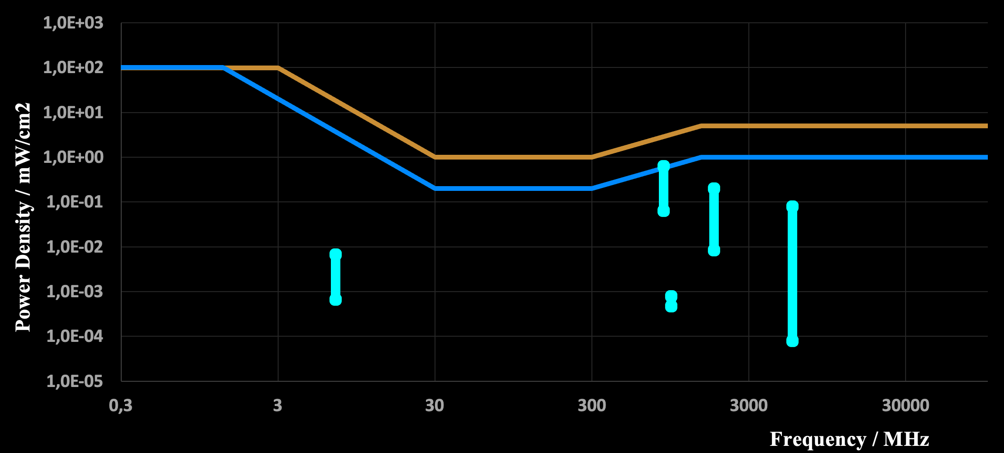
Cool experiments and tools for hobbyists and
future professionals



Tutorial on YouTube!

Cool Tool: | EMF-EMC Calculations

 |  | Limits for Human Exposure
 |  | Limits for Communication Devices
 |  | Security Distance Human & Technical

Version 01.03.2023 (explanation)

Further distribution without changes is permitted

Limits Human
Human Limits vs RF Fields

input

 | System / Comment |  |  |  |  |  | Transmit Power |  |  |  | Transmit Power |  |  |  | Transmitter Frequency |  |  |  | Duty Cycle |  |  |  | Distance to Transmitter
 | Shortwave Amateur Radio |  |  |  | ptr,eirp | = | 58.80 | dBm | Ptr,eirp | = | 758.578 | W | f | = | 7.0 | MHz | DC | = | 10.0 | % | distance | = | 3.000 | m
 | 10 Mobile Radio Base Station Transm. |  |  |  | ptr,eirp | = | 60.00 | dBm | Ptr,eirp | = | 1,000.000 | W | f | = | 960.0 | MHz | DC | = | 60.0 | % | distance | = | 10.000 | m
 | Smart Phone |  |  |  | ptr,eirp | = | 29.00 | dBm | Ptr,eirp | = | 0.794 | W | f | = | 860.0 | MHz | DC | = | 10.0 | % | distance | = | 0.010 | m
 | DECT Phone |  |  |  | ptr,eirp | = | 24.00 | dBm | Ptr,eirp | = | 0.251 | W | f | = | 1,800.0 | MHz | DC | = | 4.2 | % | distance | = | 0.010 | m
 | Long Range RADAR |  |  |  | ptr,eirp | = | 120.00 | dBm | Ptr,eirp | = | 1,000,000,000.000 | W | f | = | 5,700.0 | MHz | DC | = | 0.1 | % | distance | = | 1,000.000 | m

 | mW/cm2 |  | Public |  | S1 |  | S2 |  | S3 |  | S4 |  | S5
0.3 | 100 | 0.3 | 100 | 7 | 6.7E-03 | 960 | 8.0E-04 | 860 | 6.3E-01 | 1800 | 2.0E-01 | 5700 | 8.0E-02
3 | 100 | 1.34 | 100 | 7 | 6.7E-04 | 960 | 4.8E-04 | 860 | 6.3E-02 | 1800 | 8.4E-03 | 5700 | 8.0E-05
30 | 1 | 30 | 0
300 | 1 | 300 | 0
1500 | 5 | 1500 | 1
100000 | 5 | 100000 | 1
Power Density / mW/cm2
output peak values

 |  |  | Power Density |  |  |  | Power Density
 | Speak | = | 6.7E-03 | mW/cm2 | Speak | = | 6.7E-02 | W/m2
 | Speak | = | 8.0E-04 | mW/cm2 | Speak | = | 8.0E-03 | W/m2
 | Speak | = | 6.3E-01 | mW/cm2 | Speak | = | 6.3E+00 | W/m2
 | Speak | = | 2.0E-01 | mW/cm2 | Speak | = | 2.0E+00 | W/m2
 | Speak | = | 8.0E-02 | mW/cm2 | Speak | = | 8.0E-01 | W/m2

output average values

 |  |  | Power Density |  |  |  | Power Density
 | Saverage | = | 6.7E-04 | mW/cm2 | Saverage | = | 6.7E-03 | W/m2
 | Saverage | = | 4.8E-04 | mW/cm2 | Saverage | = | 4.8E-03 | W/m2
 | Saverage | = | 6.3E-02 | mW/cm2 | Saverage | = | 6.3E-01 | W/m2
 | Saverage | = | 8.4E-03 | mW/cm2 | Saverage | = | 8.4E-02 | W/m2
 | Saverage | = | 8.0E-05 | mW/cm2 | Saverage | = | 8.0E-04 | W/m2

Calculations & Tables

 |  |  | 58.8
 |  |  | 60
 |  |  | 29
 |  |  | 24
 |  |  | 120

 | Limits for Occupational / Controlled Exposure

 | f | E | H |  |  |  | S | Av Time
 | MHz | V/m | A/m |  |  |  | mW/cm2 | min
 | 0.3 | 614 | 1.63 |  |  |  | 100 | 6
 | 3 | 614 | 1.63 |  |  |  | 100 | 6
 | 30 | 61.4 | 0.163 |  |  |  | 1 | 6
 | 300 | 61.4 | 0.163 |  |  |  | 1 | 6
 | 1500 |  |  |  |  |  | 5 | 6
 | 100000 |  |  |  |  |  | 5 | 6

 | Limits for General Population / Uncontrolled Exposure

 | f | E | H |  |  |  | S | Av Time
 | MHz | V/m | A/m |  |  |  | mW/cm2 | min
 | 0.3 | 614 | 1.63 |  |  |  | 100 | 30
 | 1.34 | 614.92537313 | 1.634 |  |  |  | 100 | 30
 | 30 | 27.466666667 | 0.073 |  |  |  | 0.2 | 30
 | 300 | 27.466666667 | 0.073 |  |  |  | 0.2 | 30
 | 1500 |  |  |  |  |  | 1 | 30
 | 100000 |  |  |  |  |  | 1 | 30

 | Signal
 | f | p | lamda | f | P |  | Speak | Saverage | dist
 | MHz | dBm | m | MHz | W |  | W/m2 | W/m3 | m
 | 7 | 59 | 4.3E+01 | 7 | 758.57757503 |  | 6.7E-03 | 6.7E-04 | 3
 | 960 | 60 | 3.1E-01 | 960 | 1000 |  | 8.0E-04 | 4.8E-04 | 10
 | 860 | 29 | 3.5E-01 | 860 | 0.79432823472 |  | 6.3E-01 | 6.3E-02 | 0.01
 | 1800 | 24 | 1.7E-01 | 1800 | 0.25118864315 |  | 2.0E-01 | 8.4E-03 | 0.01
 | 5700 | 120 | 5.3E-02 | 5700 | 1000000000 |  | 8.0E-02 | 8.0E-05 | 1000

Limits Devices
Devices Limits vs Signals

input

 | System / Comment |  |  |  |  |  |  | Transmit Power |  |  |  | Transmit Power |  |  |  | Transmitter Frequency |  |  |  | Distance to Transmitter
 | Amateur Radio |  |  |  |  | ptr,eirp | = |  | dBm | Ptr,eirp | = | 0.000 | W | f | = | 7.0 | MHz | distance | = | 10,000.000 | m
 | Mobile Radio |  |  |  |  | ptr,eirp | = |  | dBm | Ptr,eirp | = | 0.000 | W | f | = | 900.0 | MHz | distance | = | 100.000 | m
 | TV Satellite |  |  |  |  | ptr,eirp | = | 80.00 | dBm | Ptr,eirp | = | 100,000.000 | W | f | = | 10,000.0 | MHz | distance | = | 36,000,000.000 | m
 | MW Station |  |  |  |  | ptr,eirp | = |  | dBm | Ptr,eirp | = | 0.000 | W | f | = | 1.0 | MHz | distance | = | 100.000 | m
 | GPS |  |  |  |  | ptr,eirp | = |  | dBm | Ptr,eirp | = | 0.000 | W | f | = | 3.0 | MHz | distance | = | 20,000,000.000 | m

input
 | mW/cm2 |  | Public |  | MM Noise |  | Sun |  | Intermod |  | Intermod with gain |  | Noise plus Gain |  | Noise plus SNR |  | S1 |  | S2 |  | S3 |  | S4
0.3 | 100 | 0.3 | 100 | 0.3 | 1.5E-12 | 0.3 | 5E-13 | 0.3 | 6.3E-14 | 0.3 | 6.3E-18 | 0.3 | 1.0E-23 | 0.3 | 3.3E-22 | 7 | 0.0E+00 | 900 | 0.0E+00 | 10000 | 6.1E-13 | 1 | 0.0E+00
3 | 100 | 1.34 | 100 | 3 | 4.5E-13 | 3 | 5E-15 | 3 | 6.3E-12 | 3 | 6.3E-16 | 3 | 1.0E-21 | 3 | 3.3E-20 | 7 | 0.0E+00 | 900 | 0.0E+00 | 10000 | 6.8E-13 | 1 | 0.0E+00
30 | 1 | 30 | 0 | 30 | 1.35E-13 | 30 | 5E-13 | 30 | 6.3E-10 | 30 | 6.3E-14 | 30 | 1.0E-19 | 30 | 3.3E-18
300 | 1 | 300 | 0 | 300 | 4.05E-14 | 300 | 5E-13 | 300 | 6.3E-08 | 300 | 6.3E-12 | 300 | 1.0E-17 | 300 | 3.3E-16
1500 | 5 | 1500 | 1 | 3000 | 1.215E-14 | 3000 | 5E-14 | 3000 | 6.3E-06 | 3000 | 6.3E-10 | 3000 | 1.0E-15 | 3000 | 3.3E-14
100000 | 5 | 100000 | 1 | 100000 | 3.645E-15 | 100000 | 5E-13 | 100000 | 7.0E-03 | 100000 | 7.0E-07 | 100000 | 1.2E-12 | 100000 | 3.7E-11
Power Density / mW/cm2
 | delta f | = | 5.000000 | MHz | Receiver Bandwidth
 | ga | = | 40.0 | dB | Receiver Antenna Gain
 |  | = | 15.0 | dB | Min Signal-to-Noise Ratio
 |  | = | -43.0 | dBm | Receiver Limit for Intermodulation
 |  | = | 27.0 | °Celsius | Receiver Temperature

output receiver

 | Pnoise | = | 8.28E-14 | W | Intrinsic Receiver Noise Power

 | pnoise | = | -100.8 | dBm | Intrinsic Receiver Noise Power
 | kB | = | 1.3807E-23 | Ws/K | Boltzmann's Constant
 | T | = | 300.0 | K | Absolute Temperature

output peak values from transmitters

 |  |  | Power Density |  |  |  |  | Power Density
 | Speak | = | 0.0E+00 | mW/cm2 |  | Speak | = | 0.0E+00 | W/m2
 | Speak | = | 0.0E+00 | mW/cm2 |  | Speak | = | 0.0E+00 | W/m2
 | Speak | = | 6.1E-13 | mW/cm2 |  | Speak | = | 6.1E-12 | W/m2
 | Speak | = | 0.0E+00 | mW/cm2 |  | Speak | = | 0.0E+00 | W/m2
 | Speak | = | 0.0E+00 | mW/cm2 |  | Speak | = | 0.0E+00 | W/m2

Calculations & Tables

 |  |  | -1000000
 |  |  | -1000000
 |  |  | 80
 |  |  | -1000000
 |  |  | -1000000

 | Limits for Occupational / Controlled Exposure

 | f | E | H |  |  |  |  | S | Av Time
 | MHz | V/m | A/m |  |  |  |  | mW/cm2 | min
 | 0.3 | 614 | 1.63 |  |  |  |  | 100 | 6
 | 3 | 614 | 1.63 |  |  |  |  | 100 | 6
 | 30 | 61.4 | 0.163 |  |  |  |  | 1 | 6
 | 300 | 61.4 | 0.163 |  |  |  |  | 1 | 6
 | 1500 |  |  |  |  |  |  | 5 | 6
 | 100000 |  |  |  |  |  |  | 5 | 6

 | Limits for General Population / Uncontrolled Exposure

 | f | E | H |  |  |  |  | S | Av Time
 | MHz | V/m | A/m |  |  |  |  | mW/cm2 | min
 | 0.3 | 614 | 1.63 |  |  |  |  | 100 | 30
 | 1.34 | 614.92537313 | 1.634 |  |  |  |  | 100 | 30
 | 30 | 27.466666667 | 0.073 |  |  |  |  | 0.2 | 30
 | 300 | 27.466666667 | 0.073 |  |  |  |  | 0.2 | 30
 | 1500 |  |  |  |  |  |  | 1 | 30
 | 100000 |  |  |  |  |  |  | 1 | 30

 | Signal |  |  |  |  |  |  |  | 1.1
 | f | p | lamda | f |  | P |  | Speak | Speak | dist |  | Ant Gain
 | MHz | dBm | m | MHz |  | W |  | W/m2 | W/m2 | m
 | 7 | -1000000 | 4.3E+01 | 7 |  | 0 |  | 0.0E+00 | 0.0E+00 | 10000 |  | 10000
 | 900 | -1000000 | 3.3E-01 | 900 |  | 0 |  | 0.0E+00 | 0.0E+00 | 100 |  | 10000
 | 10000 | 80 | 3.0E-02 | 10000 |  | 100000 |  | 6.1E-13 | 6.8E-13 | 36000000 |  | 10000
 | 1 | -1000000 | 3.0E+02 | 1 |  | 0 |  | 0.0E+00 | 0.0E+00 | 100 |  | 10000
 | 3 | -1000000 | 1.0E+02 | 3 |  | 0 |  | 0.0E+00 | 0.0E+00 | 20000000 |  | 10000

 | Sun

 | f | S |  | lamda | delta f |  |  |  | Ssun |  | Ant Gain | Ssun-gain
 | MHz | W/m2 Hz |  | m | Hz |  |  |  | mW/cm2 |  |  | mW/cm2
 | 0.3 | 0 |  | 1000 | 5E+06 |  |  |  | 5E-13 |  | 10000 | 5E-09
 | 3 | 0 |  | 100 | 5E+06 |  |  |  | 5E-15 |  | 10000 | 5E-11
 | 30 | 0 |  | 10 | 5E+06 |  |  |  | 5E-13 |  | 10000 | 5E-09
 | 300 | 0 |  | 1 | 5E+06 |  |  |  | 5E-13 |  | 10000 | 5E-09
 | 3000 | 0 |  | 0.1 | 5E+06 |  |  |  | 5E-14 |  | 10000 | 5E-10
 | 100000 | 0 |  | 0.003 | 5E+06 |  |  |  | 5E-13 |  | 10000 | 5E-09

 | Receiver Intermod Levels
 |  |  |  | isotrop |  |  |  | Level |  |  |  | Level
 | f | Intermod | lamda | eff area |  |  |  | Intermod |  |  |  | Intermod with Ant Gain
 | MHz | dBm | m | cm2 |  |  |  | mW/cm2 |  |  |  | mW/cm2
 | 0.3 | -43.0 | 1000 | 8.0E+08 |  |  |  | 6.3E-14 |  |  |  | 6.3E-18
 | 3 | -43.0 | 100 | 8.0E+06 |  |  |  | 6.3E-12 |  |  |  | 6.3E-16
 | 30 | -43.0 | 10 | 8.0E+04 |  |  |  | 6.3E-10 |  |  |  | 6.3E-14
 | 300 | -43.0 | 1 | 8.0E+02 |  |  |  | 6.3E-08 |  |  |  | 6.3E-12
 | 3000 | -43.0 | 0.1 | 8.0E+00 |  |  |  | 6.3E-06 |  |  |  | 6.3E-10
 | 100000 | -43.0 | 0.003 | 7.2E-03 |  |  |  | 7.0E-03 |  |  |  | 7.0E-07

 | Receiver Noise Level
 |  |  |  | isotrop |  |  |  | Level |  |  |  | Level |  |  |  | Level
 | f | Rec Noise | lamda | eff area |  |  |  | Noise |  | SNR |  | with Ant Gain |  |  |  | With SNR
 | MHz | dBm | m | cm2 |  |  |  | mW/cm2 |  |  |  | mW/cm2 |  |  |  | mW/cm2
 | 0.3 | -100.8 | 1000 | 795774715.46 |  |  |  | 1.0E-19 |  | 31.622776602 |  | 1.0E-23 |  |  |  | 3.3E-22
 | 3 | -100.8 | 100 | 7957747.1546 |  |  |  | 1.0E-17 |  | 31.622776602 |  | 1.0E-21 |  |  |  | 3.3E-20
 | 30 | -100.8 | 10 | 79577.471546 |  |  |  | 1.0E-15 |  | 31.622776602 |  | 1.0E-19 |  |  |  | 3.3E-18
 | 300 | -100.8 | 1 | 795.77471546 |  |  |  | 1.0E-13 |  | 31.622776602 |  | 1.0E-17 |  |  |  | 3.3E-16
 | 3000 | -100.8 | 0.1 | 7.9577471546 |  |  |  | 1.0E-11 |  | 31.622776602 |  | 1.0E-15 |  |  |  | 3.3E-14
 | 100000 | -100.8 | 0.003 | 0.0071619724391 |  |  |  | 1.2E-08 |  | 31.622776602 |  | 1.2E-12 |  |  |  | 3.7E-11

 | Man MAde Noise Level
 | 300 | 0.3
 | f | S |  | lamda | delta f |  |  |  | MM Noise |  |  | eff area |  |  |  | rec Power |  | rec Power
 | MHz | W/m2 Hz |  | m | Hz |  |  |  | mW/cm2 |  |  | cm2 |  |  |  | W |  | dBm
 | 0.3 | 0 |  | 1000 | 5E+06 |  |  |  | 2E-12 |  |  | 795774715.46 |  |  |  | 1.2E-03 |  | -29.2 |  | -105
 | 3 | 0 |  | 100 | 5E+06 |  |  |  | 4.5E-13 |  |  | 7957747.1546 |  |  |  | 3.6E-06 |  | -54.5 |  | -90
 | 30 | 0 |  | 10 | 5E+06 |  |  |  | 1.35E-13 |  |  | 79577.471546 |  |  |  | 1.1E-08 |  | -79.7 |  | -105
 | 300 | 0 |  | 1 | 5E+06 |  |  |  | 4.05E-14 |  |  | 795.77471546 |  |  |  | 3.2E-11 |  | -104.9 |  | -115
 | 3000 | 0 |  | 0.1 | 5E+06 |  |  |  | 1.215E-14 |  |  | 7.9577471546 |  |  |  | 9.7E-14 |  | -130.1 |  | -135
 | 100000 | 0 |  | 0.003 | 5E+06 |  |  |  | 3.645E-15 |  |  | 0.0071619724391 |  |  |  | 2.6E-17 |  | -165.8 |  | -155

Security Distance
 | Security Distance

 | input |  |  |  |  |  |  |  |  | conversions

 |  |  |  | Transmit Power |  |  |  | Transmit Power
 |  | ptr,eirp | = | 50.00 | dBm | ptr,eirp | = |  | dBm |  | P to p | W to dBm |  |  | S
 |  | ptr,eirp | = | 50.00 | dBm | ptr,eirp | = |  | dBm |  | Power | 7.94 | W |  | Power Density | 7.94 | W/m2
 |  | ptr,eirp | = | 50.00 | dBm | ptr,eirp | = |  | dBm |  | Power | 39.00 | dBm |  | Power Density | 0.79 | mW/cm2
 |  | ptr,eirp | = | 50.00 | dBm | ptr,eirp | = |  | dBm
 |  | ptr,eirp | = | 50.00 | dBm | ptr,eirp | = |  | dBm |  | p to P | dBm to W
 |  |  |  |  |  |  |  |  |  |  | Power | 48.00 | dBm
 | output |  |  |  |  |  |  |  |  |  | Power | 63.10 | W

 |  |  |  | total Transmit Power |  |  |  | total Transmit Power
 |  | ptr,tot,eirp | = | 56.99 | dBm | Ptr,tot,eirp | = | 500.00 | W | input receiver exposure

 | input human exposure |  |  |  |  |  |  |  |  |  | f | = | 7.0 | MHz | Receiver Frequency
 |  |  |  |  |  |  |  |  |  |  | gAntenna | = | 0.0 | dBi | Receiver Antenna Gain
 |  |  |  | Maximum Power Density |  |  |  |  |  |  | pmax,rec | = | 10.0 | dBm | Limit for Receiver
 |  | Smax | = | 0.20 | mW/cm2 | Limit for Humans
 |  |  |  |  |  |  |  |  |  | output
 | output
 |  |  |  |  |  |  |  |  |  |  | dmin,receiv | = | 788.655 | m | Security Distance
 |  | dmin,human | = | 4.460 | m | Security Distance |  |  |  |  | emax | = | 104.112 | dBuV/m
 |  | Emax,human | = | 27.459 | V/m |  |  |  |  |  | Emax | = | 0.161 | V/m
 |  | Hmax,human | = | 0.073 | A/m

 | note |  |  |  |  |  |  |  |  | note


Calculation

 |  | 50.00 |  | -1000.00 |  |  |  | 56.989700043
 |  | 50.00 |  | -1000.00
 |  | 50.00 |  | -1000.00
 |  | 50.00 |  | -1000.00
 |  | 50.00 |  | -1000.00

FCC & Sun
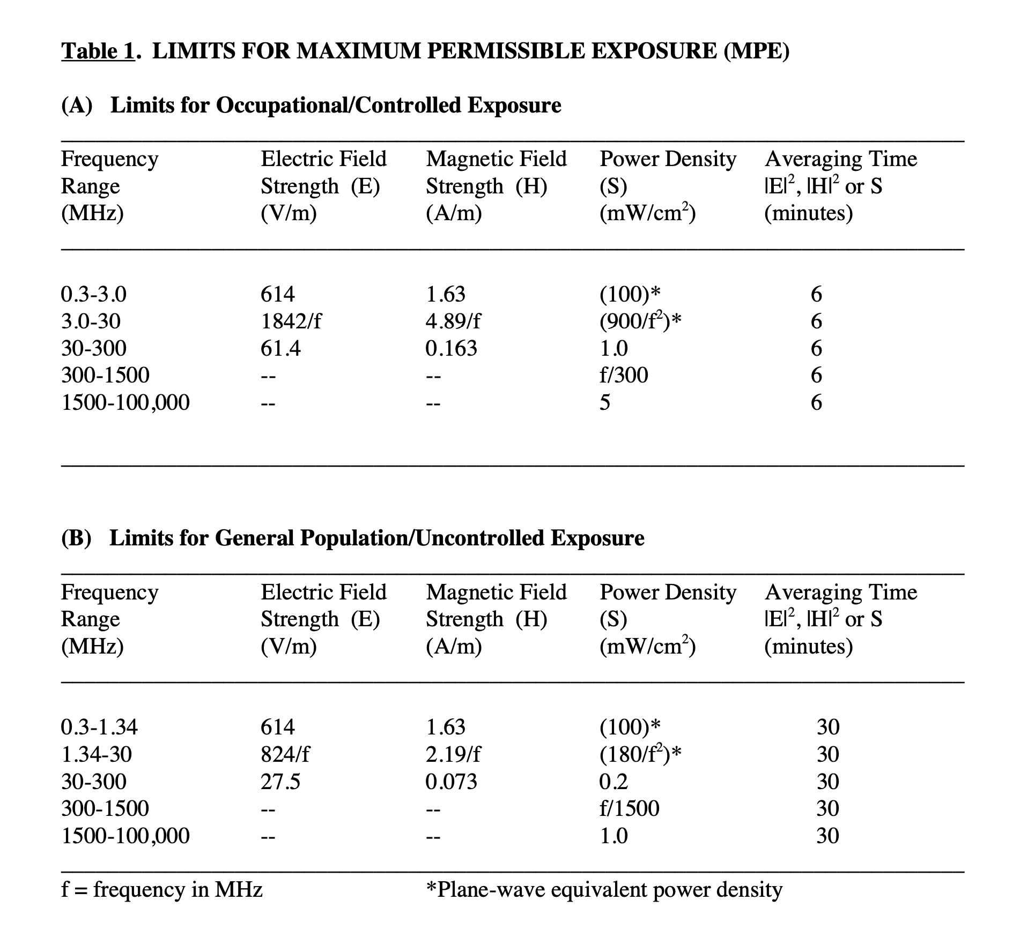
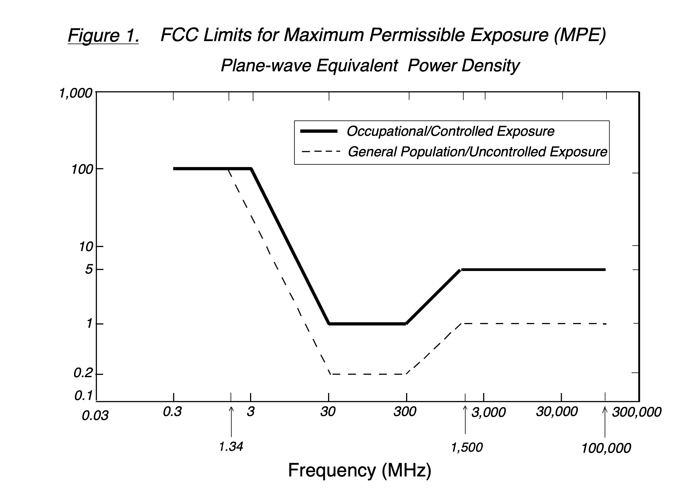
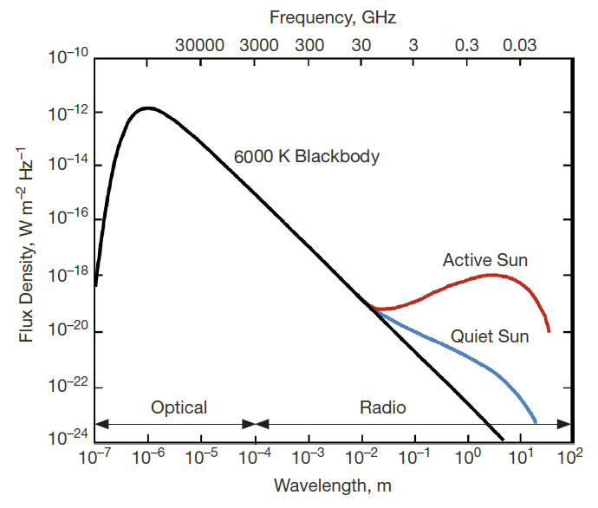

 | #REF! | Public
 | 1 | 1

